FRA-detail
 |  |  |  |  |  | UPRN

 |  |  |  |  |  |  | Fire Risk Assessment (FRA)
 |  |  |  |  |  |  | Regulatory Reform (Fire Safety) Order 2005
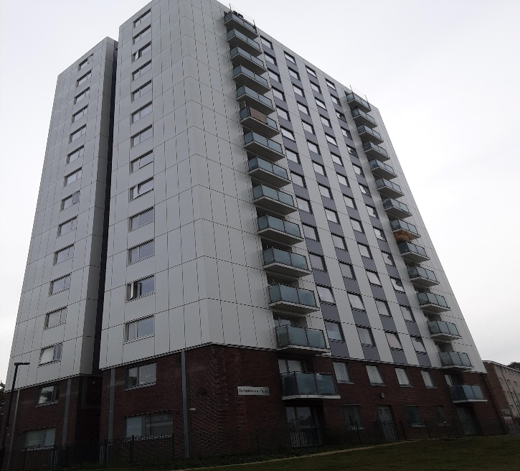
 | Next review due on *: |  | As FRA program

 | Date of FRA: |  | 3.10.19

 | Responsible person (e.g. housing provider): |  |  | Chief Executive, Barnet Homes

 | Fire Risk Assessor |  | The Fire Risk Assessment was undertaken by Mr Haddon McLean who has the necessary qualifications, competency and experience in Fire Risk Management that give him the status of “Competent Person” as described in articles 15 and 18 of the ‘Regulatory Reform (Fire Safety) Order 2005', for properties in England & Wales, and the 'Fire Safety (Scotland) Regulations 2006' for those in Scotland. This legislation now supersedes all previous fire legislation for England, Wales & Scotland and forms the ‘Fire Regulations'. He has been trained in all necessary disciplines of fire safety, building design and building behaviour under fire conditions and is considered to be sufficiently practised in the necessary skills to enable him to carry out a practical fire risk assessment.
 | (include relevant professional memberships and/or qualifications)

Address of premises: | Person managing fire safety for the premises: |  |  | Health & Safety Manager
Templewood Point 1-60 NW2 2AX
 | Did you consult with any other individual during the FRA? |  |  |  | No
 | If yes, provide | Name
 |  | Position within company

 | Recommended review date: |  | The person managing fire safety should monitor the progress of work undertaken in rectifying the deficiencies reported and should ensure that checks are undertaken at target completion dates. A follow up inspection (taking the form of an interim fire risk assessment review) should be undertaken no more than one month from the time when the reported ‘Priority P0’ deficiencies have been identified and additionally in six months by which time Priority P1 deficiencies should have been actioned. It is Barnet Homes policy that a review of the fire risk assessment will be undertaken no later than 12 months from the date of inspection.

Euro Compliance Limited
Company Registration: 06353434
Registered office: 90 Milton Avenue, Barnet, Herts, EN5 2EU
Members of the Institute of Fire Engineers

Photographs
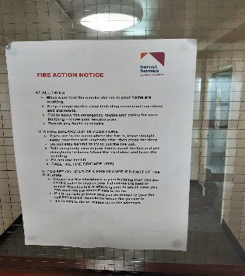
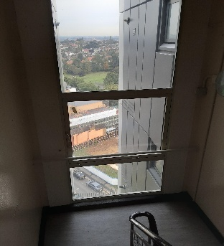
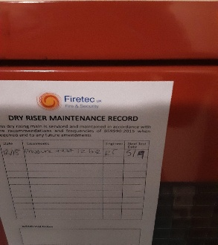 Insert picture | Insert picture | Insert picture | Insert picture

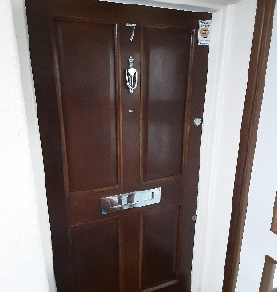
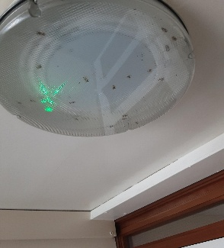
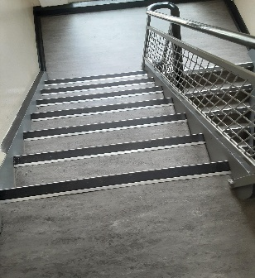 Insert picture | Insert picture | Insert picture | Insert picture

Insert picture | Insert picture | Insert picture | Insert picture

